Business Requirements
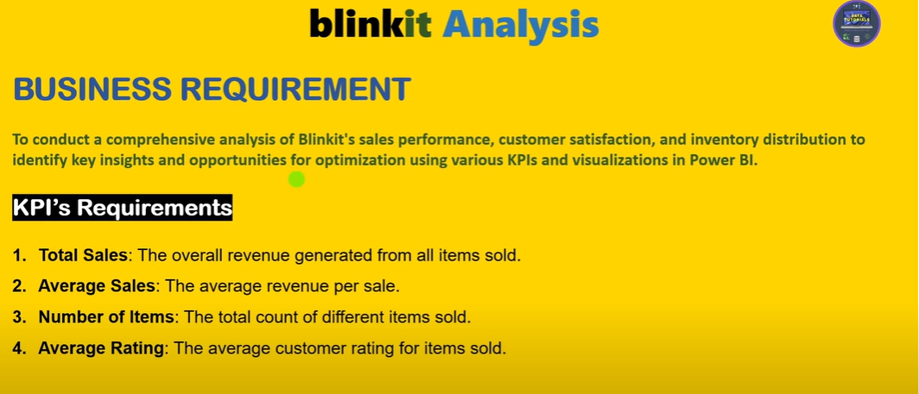

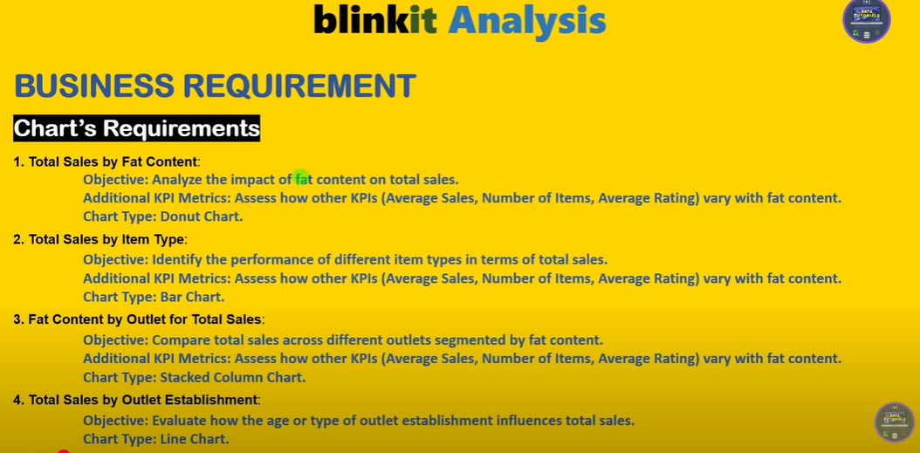

Data
KPI's Requirements
Total Sales | Average of Sales | Count of S.No | Average of Rating
1201681.4928 | 140.99278339 | 8523 | 3.9209198639

Total Sales | Average of Sales | Count of S.No | Average of Rating
$1.20M | $141 | 8523 | 4

TOTAL SALES BY FAT CONTENT

Row Labels | Sum of Sales
Low Fat | $776.3K
Regular | $425.4K

FAT CONTENT BY OUTLETS FOR TOTAL SALES
Sum of Sales | Column Labels
Row Labels | Regular | Low Fat
Tier 1 | 121349.8994 | 215047.9126
Tier 2 | 138685.8682 | 254464.7794
Tier 3 | 165326.0368 | 306806.9964
Grand Total | 425361.8044 | 776319.6884

 | TOTAL SALES BY ITEM TYPE
 |  | Row Labels | Sum of Sales
 |  | Seafood | $9.1K
 |  | Breakfast | $15.6K
 |  | Starchy Foods | $21.9K
 |  | Others | $22.5K
 |  | Hard Drinks | $29.3K
 |  | Breads | $35.4K
 |  | Soft Drinks | $58.5K
 |  | Meat | $59.4K
 |  | Health and Hygiene | $68.0K
 |  | Baking Goods | $81.9K
 |  | Canned | $90.7K
 |  | Dairy | $101.3K
 |  | Frozen Foods | $118.6K
 |  | Household | $136.0K
 |  | Snack Foods | $175.4K
 |  | Fruits and Vegetables | $178.1K

 | TOTAL SALES BY OUTLET ESTALISHMENT

 | Row Labels | Sum of Sales
 | 2011 | $78.1K
 | 2012 | $130.5K
 | 2014 | $131.8K
 | 2015 | $130.9K
 | 2016 | $132.1K
 | 2017 | $133.1K
 | 2018 | $204.5K
 | 2020 | $129.1K
 | 2022 | $131.5K

 | SALES BY OUTLET SIZE

 | Row Labels | Sum of Sales
 | Large | $249.0K
 | Medium | $507.9K
 | Small | $444.8K

 |  | SALES BY OUTLET LOCATION
 |  | Row Labels | Sum of Sales | Tier 3 | $336.4K
 |  | Tier 3 | $472.1K | Tier 1 | $336.4K
 |  | Tier 1 | $336.4K | Tier 2 | $393.2K
 |  | Tier 2 | $393.2K

 | ALL METRICS BY OUTLET TYPES

 | Row Labels | Sum of Sales
 | Supermarket Type3 | $130.7K
 | Supermarket Type1 | $787.5K
 | Grocery Store | $151.9K
 | Supermarket Type2 | $131.5K

 | Row Labels | Average of Sales
 | Supermarket Type1 | $141
 | Grocery Store | $140
 | Supermarket Type2 | $142
 | Supermarket Type3 | $140

 | Row Labels | Count of S.No
 | Supermarket Type1 | 5577
 | Grocery Store | 1083
 | Supermarket Type2 | 928
 | Supermarket Type3 | 935

Dashboard
Blinkit
OUTLET ESTABLISHMENT
$1.2M
$141
India's last minute app
Total Sales
Average Sales
 | Total
2011 | $78.1K
2012 | $130.5K
2014 | $131.8K
2015 | $130.9K
2016 | $132.1K
2017 | $133.1K
2018 | $204.5K
2020 | $129.1K
2022 | $131.5K
FILTER PANEL
8523
4
Average Rating
Number of items

TOTAL FAT CONTENT
ITEM TYPE
 | Total
Low Fat | $776.3K
Regular | $425.4K
 | Total
Seafood | $9.1K
Breakfast | $15.6K
Starchy Foods | $21.9K
Others | $22.5K
Hard Drinks | $29.3K
Breads | $35.4K
Soft Drinks | $58.5K
Meat | $59.4K
Health and Hygiene | $68.0K
Baking Goods | $81.9K
Canned | $90.7K
Dairy | $101.3K
Frozen Foods | $118.6K
Household | $136.0K
Snack Foods | $175.4K
Fruits and Vegetables | $178.1K
OUTLET SIZE
OUTLET TYPE

 | Total
Large | $249.0K
Medium | $507.9K
Small | $444.8K

FAT CONTENT BY OUTLET
 | Regular | Low Fat
Tier 1 | 121349.8994 | 215047.9126
Tier 2 | 138685.8682 | 254464.7794
Tier 3 | 165326.0368 | 306806.9964
OUTLET TYPE
TOTAL SALES
AVERAGE SALES
NO.OF ITEMS
 | Total
Supermarket Type3 | $130.7K
Supermarket Type1 | $787.5K
Grocery Store | $151.9K
Supermarket Type2 | $131.5K
 | Total
Supermarket Type1 | $141
Grocery Store | $140
Supermarket Type2 | $142
Supermarket Type3 | $140
 | Total
Supermarket Type1 | 5577
Grocery Store | 1083
Supermarket Type2 | 928
Supermarket Type3 | 935

